BOM Overview
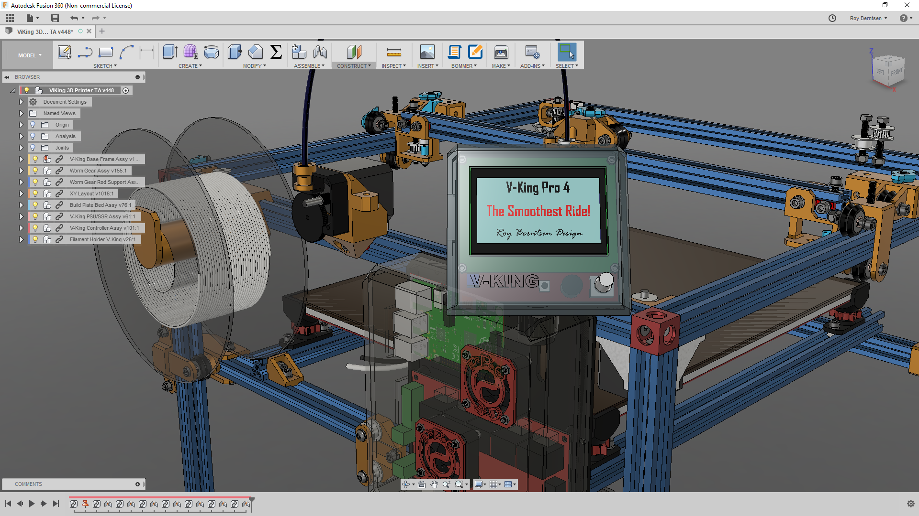
V-King Build Price Estimate
340x380x320 Build Volume

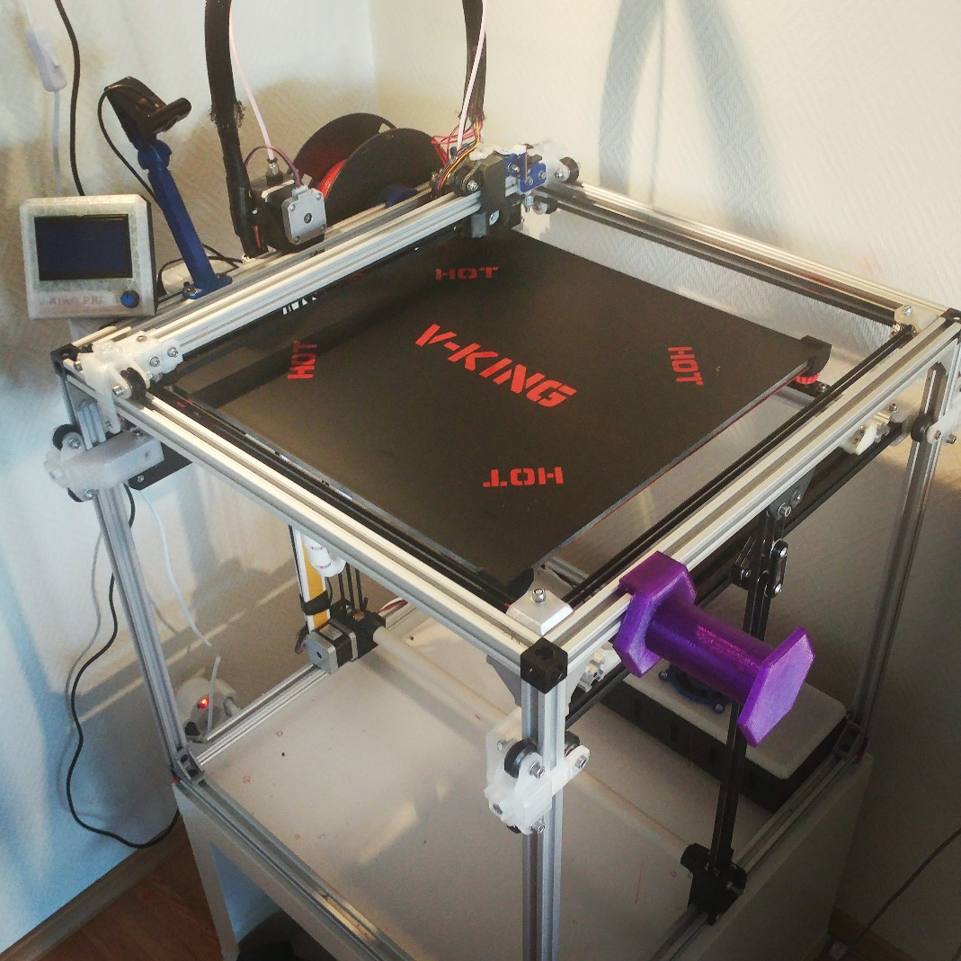
V-Slots and Wheels Standard Price: | EUR 230
Components Example Price: | EUR 365
Fastners Estimated Retail Price: | EUR 75
Cables and Connectors Estimated Price | EUR 50
Tools - Add your number | EUR 100

Sub Total Example Price | EUR 820

If you like to support - Buy me a coffe here:
https://www.buymeacoffee.com/pro3d
Research - Development & Design by:
Roy Berntsen

Complete Part List
If you like to support - Buy me a coffe here:
https://www.buymeacoffee.com/pro3d
 | V-King - Components to Buy

 | ALL HARDWARE KIT HERE ->> | MakerSupplies V-King Mechanical Kit

Click link to product supplier | Research, Development & Design by: |  | Roy Berntsen
Part Name | Description | BOM Quantity | Unit Price | Bulk Price
Frame Parts | Complete Kit
2020 V-Slot 500 | OpenBuild V-Slot 500mm | 16 | EUR 5.0 | EUR 80.0
2020 V-Slot 480 | OpenBuild V-Slot 480mm | 1 | EUR 6.0 | EUR 6.0
3 Way V-Slot Corner | 3 Way Corner Bracket | 8 | EUR 4.0 | EUR 32.0
2028 Corner Bracket | Frame Corner Joint Brackets | 20 |  | 7.00
Wheels
Solid V-Wheel Kit | OpenBuild V-Slot Big Wheels | 21 | EUR 5.0 | EUR 105.0
Estimated Frame Kit Price |  |  |  | EUR 230.0

Component Part Name |  | BOM Quantity | Bulk Quantity | Bulk Price
Build Plate 1400 cm^2 | 360x410x8mm Aluminum | 1 | 1 | 90.00
Controller - MKS Gen L V1.0 | Ramps Controller | 1 | 1 | 20.00
Controller LCD 12864 | LCD Controller Panel | 1 | 1 | 12.00
Drivers - A4988 | ZE Stepper Drivers | 2 | 4 | 10.00
Drivers - TMC2208 | XY Stepper Drivers | 2 | 4 | 25.00
End Stop - Optical Sensor | Optical Endstop Sensor | 2 | 6 | 3.00
Extruder | Titan Original Here | 1 | 1 | 20.00
Fan - Layer Fan 12/24V | Fan for filament cooling | 1 | 1 | 5.00
GT2 Idler Pulley 20T | Thoothed Idler Pulley | 8 | 10 | 10.00
GT2 Idler Pulley Smooth | Smooth Pulley | 10 | 10 | 10.00
GT2 Motor Pulley 20T | Thoothed Motor Pulley | 4 | 4 | 5.00
GT2 Timing Belt | Reinforced Timing Belt | 7 | 10 | 10.00
Hotend - J-Head/E3d Clone | e3d V6 Original Here | 1 | 1 | 5.00
Power Supply 24V | 240W 24V PSU | 1 | 1 | 20.00
Power Switch - Fused | AC Inlet to PSU with Fuse | 1 | 1 | 7.00
Probe - 3D Touch | Original Probe here | 1 | 1 | 15.00
Silicone Heatpad 350*400 | Ask for 110 AC if needed | 1 | 1 | 30.00
Solid State Relay | SSR 40A | 1 | 1 | 4.00
Stepper Motor 1.7A Nema 17 | Nema 17 Stepper motor | 4 | 4 | 30.00
Worm Gear | 1:20 Worm Gear Set | 1 | 1 | 10.00
Worm Gear Bearings | 5id-16od-5w Ball bearings | 4 | 10 | 4.00
Worm Gear Rod | 5mm X 555 mm Steel rod | 1 | 1 | 20.00
Estimated Component Retail Price |  | No fasteners or cables included |  | EUR 365.0

Komplete Mechanichal Kit | Fasteners included |  |  | Bulk Price
MakerSupplies Mechanical Kit |  |  |  | EUR 415.00

Fasteners List
 | List of Fasteners to buy at any hardware supplier
If you like to support - Buy me a coffe here:
https://www.buymeacoffee.com/pro3d

 | Research, Development & Design by
 | Roy Berntsen
Fasteners | Type | Order Quantity | Est. Unit Price | Est. Bulk Price
M3 NUT | Hex Nut - M3 | 25 | 0.1 | 2.5
M3 WASHER | Washer Simple M3 | 25 | 0.1 | 2.5
M3x10 | DIN 912 | 25 | 0.1 | 2.5
M3X25 | DIN 912 | 10 | 0.1 | 1
M3x8 | DIN 912 | 25 | 0.1 | 2.5
M4 Hex NUT | Hex Nut - M4 | 10 | 0.1 | 1
M4 Hex Nut lock | Hex Locking Nut - M4 | 10 | 0.1 | 1
M4 WASHER | Washer Simple M4 | 10 | 0.1 | 1
M4x16 | DIN 912 | 10 | 0.1 | 1
M4x20 | DIN 912 | 10 | 0.1 | 1
M5 GT2 Idler Shim | Precision Shim for GT2 idlers/pulleys | 25 | 0.1 | 2.5
M5 Hex Nut | Standard Nut M5 | 20 | 0.1 | 2
M5 Hex Nut lock | Hex Locking Nut - m5 | 40 | 0.1 | 4
M5 T-Nut Hammer | Drop In type Hammer Nut | 50 | 0.1 | 5
M5 T-Nut Square | T-Nut Sqare M5 | 100 | 0.1 | 10
M5 WASHER | Washer Simple M5 | 150 | 0.1 | 15
M5x10 | DIN 912 | 100 | 0.1 | 10
M5x12 | DIN 912 | 10 | 0.1 | 1
M5x20 Hex | Hex Head | 20 | 0.1 | 2
M5X25 | DIN 912 | 10 | 0.1 | 1
M5x30 | DIN 912 | 20 | 0.1 | 2
M5x35 | DIN 912 | 10 | 0.1 | 1
M5x35 HEX | Hex Head | 10 | 0.1 | 1
M5x8 Countersink | DIN 7991 | 25 | 0.1 | 2.5
Estimated fastener price in total: |  |  |  | 75

Cables | Type | Order Quantity | Est. Unit Price | Est. Bulk Price

